Sheet1
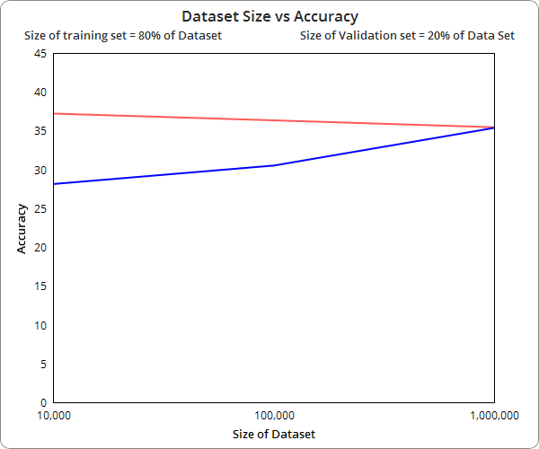
Dataset (N) | Training Sample | Test Sample | Accuracy (Test file 1) | Accuracy (Test file 2)
10,000 | 8,000 | 2,000 | 28.122 | 37.193
100,000 | 80,000 | 20,000 | 30.502 | 36.32
1,000,000 | 800,000 | 200,000 | 35.357 | 35.43

Sheet2
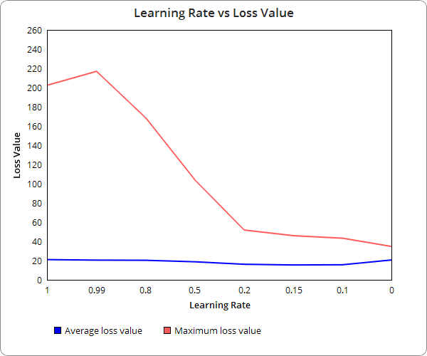
dataset size = 8000 sequences
Learning Rate | Average loss value | Maximum loss value
1 | 21.021 | 202.451
0.99 | 20.492 | 216.902
0.8 | 20.328 | 168.482
0.5 | 18.757 | 103.855
0.2 | 16.177 | 51.831
0.15 | 15.453 | 45.923
0.1 | 15.674 | 43.286
0 | 20.668 | 34.661

Sheet3
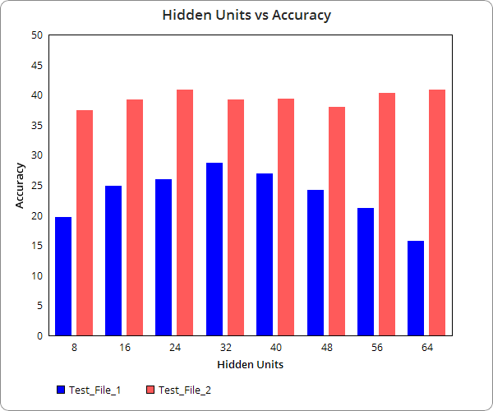
Hidden Units | Accuracy(Test_file1) | Accuracy(Test_file2)
8 | 19.7 | 37.5
16 | 24.9 | 39.2
24 | 25.9 | 40.9
32 | 28.7 | 39.2
40 | 26.9 | 39.3
48 | 24.2 | 38
56 | 21.2 | 40.3
64 | 15.7 | 40.8

Test_file1 and Test_file2

